Sheet1
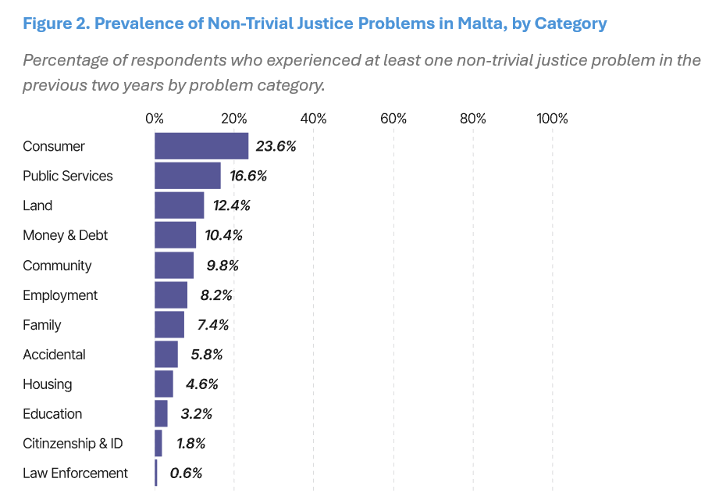
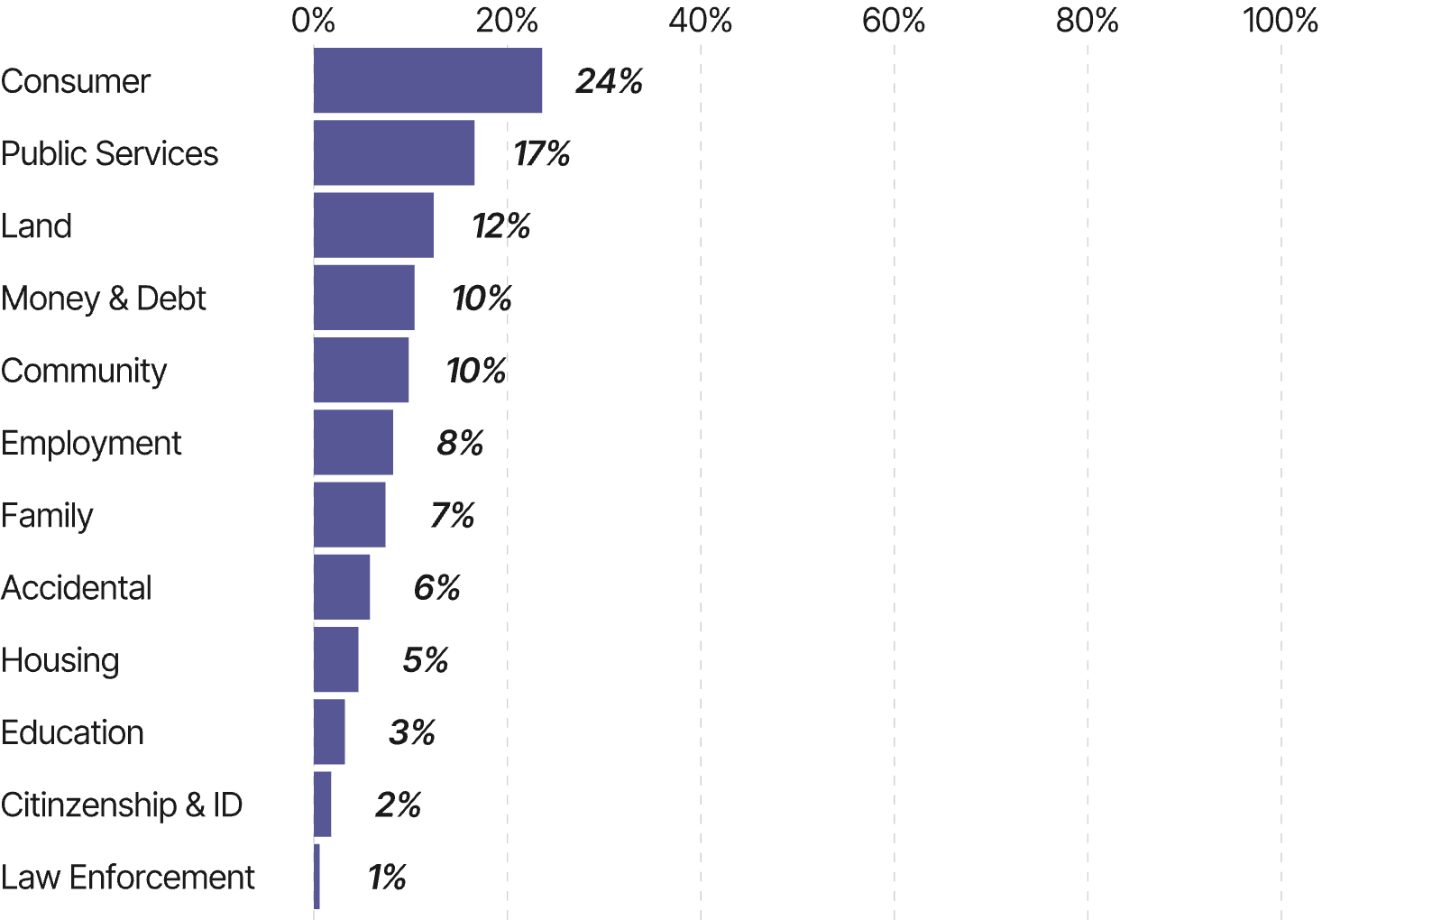

Figure 1.1 at Malta report | Category | Percentage
 | Consumer | 24%
 | Public Services | 17%
 | Land | 12%
 | Money & Debt | 10%
 | Community | 10%
 | Employment | 8%
 | Family | 7%
 | Accidental | 6%
 | Housing | 5%
 | Education | 3%
 | Citizenship & ID | 2%
 | Law Enforcement | 1%

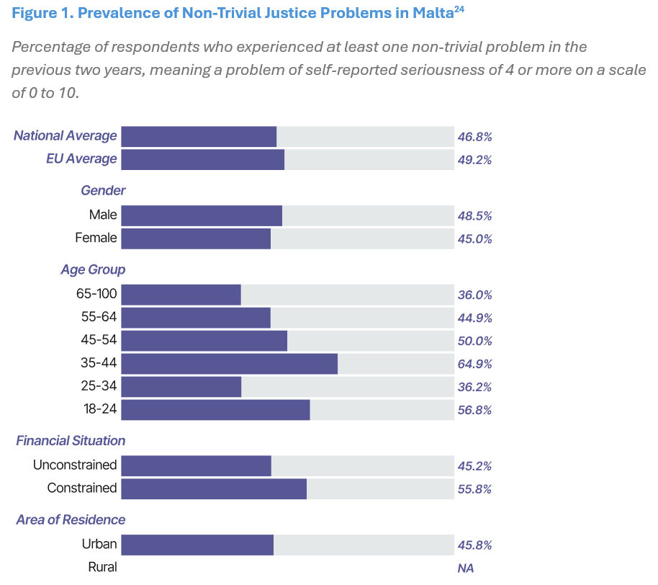
Figure 1.2 at Malta report | Category | Percentage
 | National Average | 46.80%
 | EU Average | 49.20%
 | Gender | Percentage
 | Male | 48.50%
 | Female | 45.00%
 | Age Group | Percentage
 | 65–100 | 36.00%
 | 55–64 | 44.90%
 | 45–54 | 50.00%
 | 35–44 | 64.90%
 | 25–34 | 36.20%
 | 18–24 | 56.80%
 | Financial Situation | Percentage
 | Unconstrained | 45.20%
 | Constrained | 55.80%
 | Area | Percentage
 | Urban | 45.80%
 | Rural | NA

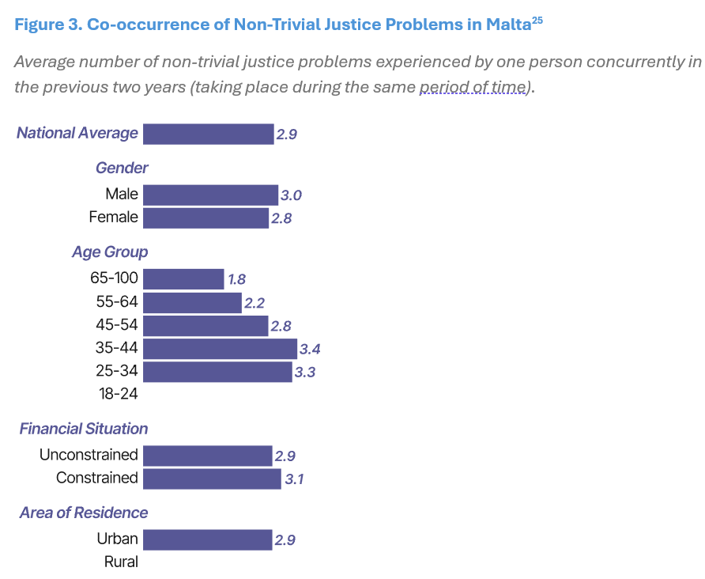
 | Category | Value
Figure 1.3 at Malta report | National Average | 2.9
 | Gender | Value
 | Male | 3
 | Female | 2.8
 | Age Group | Value
 | 65–100 | 1.8
 | 55–64 | 2.2
 | 45–54 | 2.8
 | 35–44 | 3.4
 | 25–34 | 3.3
 | 18–24 | NA
 | Financial Situation | Value
 | Unconstrained | 2.9
 | Constrained | 3.1
 | Area | Value
 | Urban | 2.9
 | Rural | NA

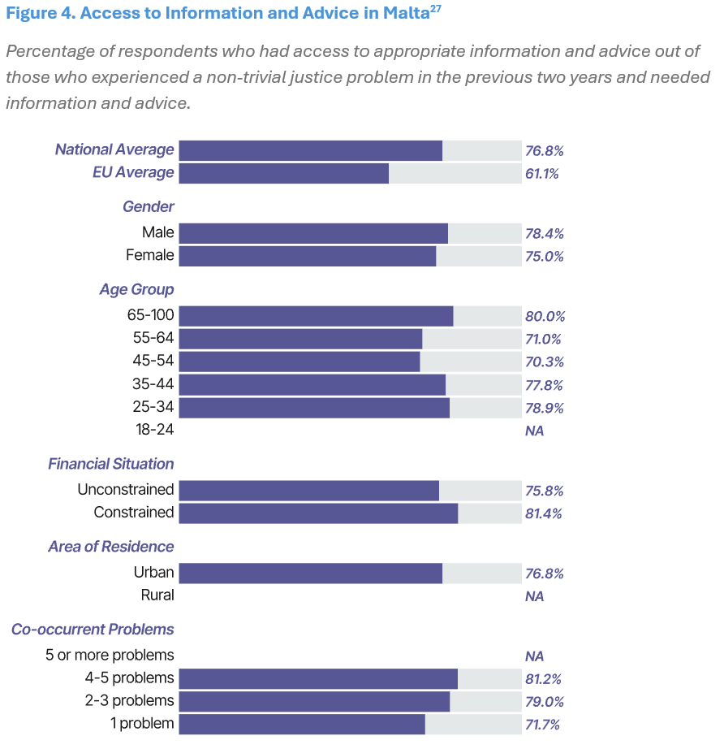
 | Category | Percentage
Figure 1.4 at Malta report | National Average | 76.80%
 | EU Average | 61.10%
 | Gender | Percentage
 | Male | 78.40%
 | Female | 75.00%
 | Age Group | Percentage
 | 65–100 | 80.00%
 | 55–64 | 71.00%
 | 45–54 | 70.30%
 | 35–44 | 77.80%
 | 25–34 | 78.90%
 | 18–24 | NA
 | Financial Situation | Percentage
 | Unconstrained | 75.80%
 | Constrained | 81.40%
 | Area | Percentage
 | Urban | 76.80%
 | Rural | NA
 | Number of Problems | Percentage
 | 5 or more problems | NA
 | 4–5 problems | 81.20%
 | 2–3 problems | 79.00%
 | 1 problem | 71.70%

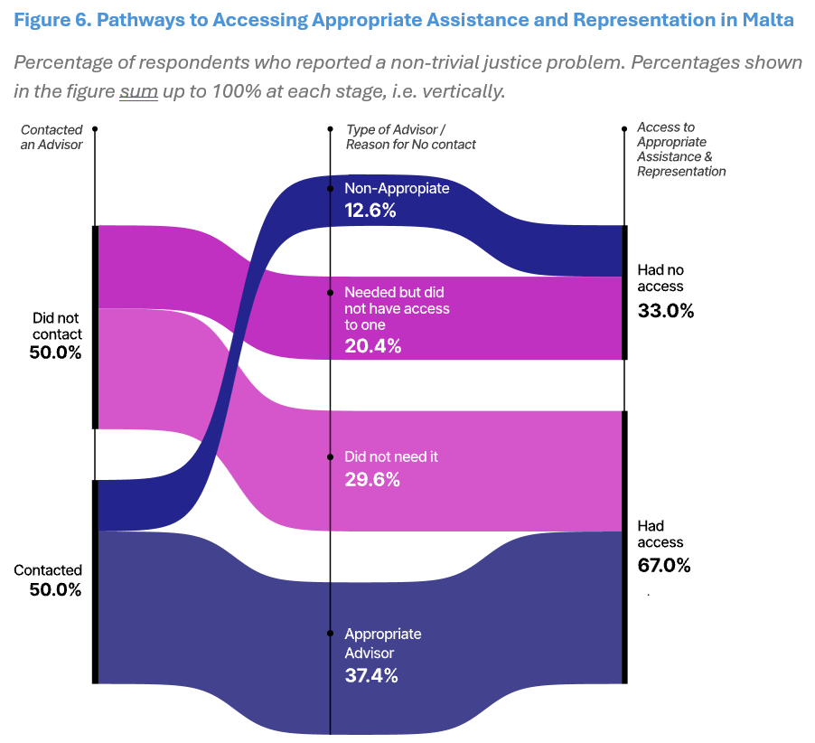
Figure 1.5 in Malta report |  | Category | Percentage
 |  | Did not contact | 50.00%
 |  | Contacted | 50.00%
 |  | Category | Percentage
 |  | Non‑Appropriate Advisor | 12.60%
 |  | Appropriate Advisor | 37.40%
 |  | Did not need it | 29.60%
 |  | Needed but did not have access | 20.40%
 |  | Category | Percentage
 |  | Had no access | 33.00%
 |  | Had access | 67.00%

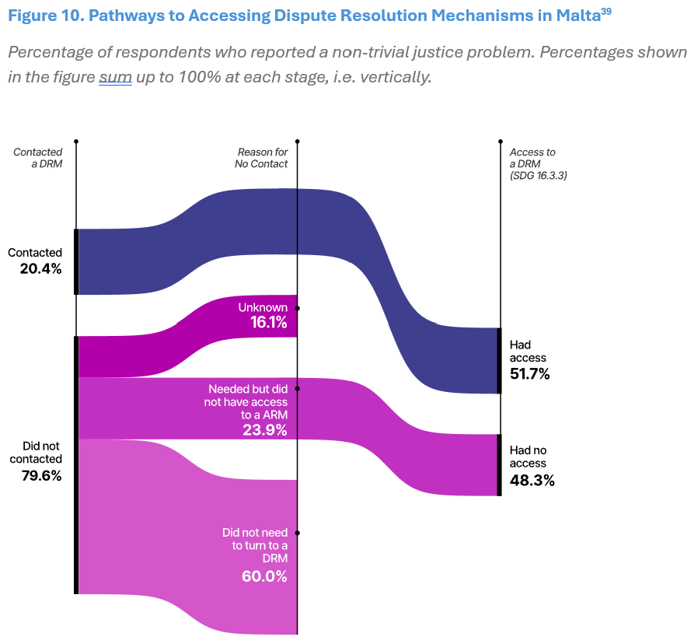
Figure 1.6 in Malta report
 |  | Category | Percentage
 |  | Did not contact | 79.60%
 |  | Contacted | 20.40%
 |  | Category | Percentage
 |  | Unknown | 16.10%
 |  | Needed but did not have access to a ARM | 23.90%
 |  | Did not need to turn to a DRM | 60.00%
 |  | Category | Percentage
 |  | Had no access | 48.30%
 |  | Had access | 51.70%

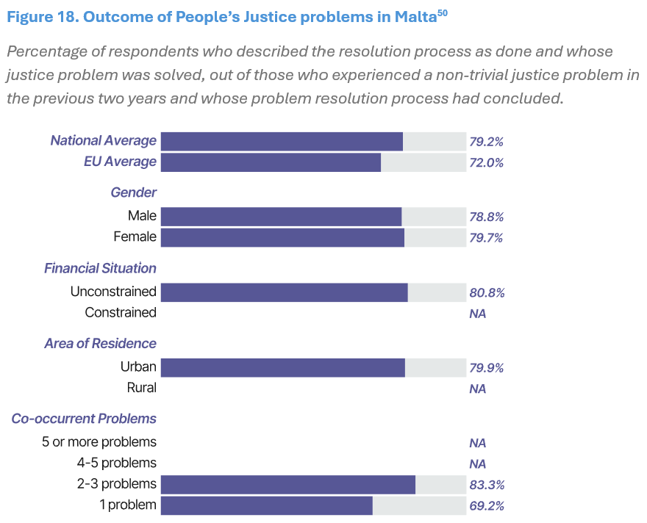
 |  | Category | Percentage
Figure 1.7 in Malta report |  | National Average | 79.20%
 |  | EU Average | 72.00%
 |  | Category | Percentage
 |  | Male | 78.80%
 |  | Female | 79.70%
 |  | Category | Percentage
 |  | Unconstrained | 80.80%
 |  | Constrained | NA
 |  | Category | Percentage
 |  | Urban | 79.90%
 |  | Rural | NA
 |  | Category | Percentage
 |  | 5 or more problems | NA
 |  | 4–5 problems | NA
 |  | 2–3 problems | 83.30%
 |  | 1 problem | 69.20%

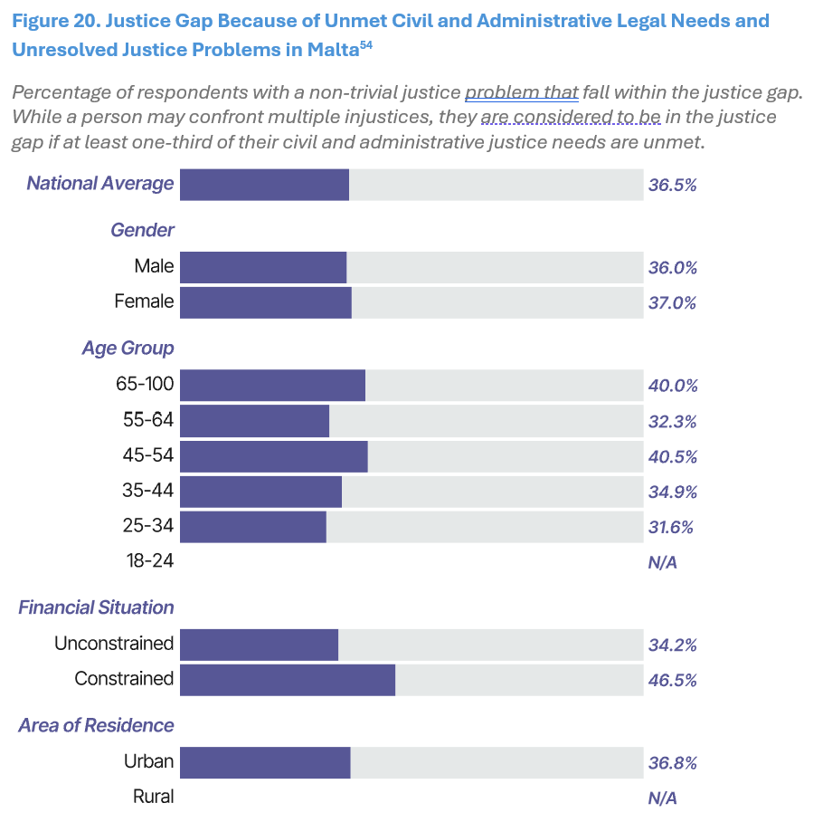
Figure 1.8 in Malta report |  | Category | Percentage
 |  | National Average | 36.50%
 |  | Category | Percentage
 |  | Male | 36.00%
 |  | Female | 37.00%
 |  | Category | Percentage
 |  | 65–100 | 40.00%
 |  | 55–64 | 32.30%
 |  | 45–54 | 40.50%
 |  | 35–44 | 34.90%
 |  | 25–34 | 31.60%
 |  | 18–24 | NA
 |  | Category | Percentage
 |  | Unconstrained | 34.20%
 |  | Constrained | 46.50%
 |  | Category | Percentage
 |  | Urban | 36.80%
 |  | Rural | NA

